Sheet1

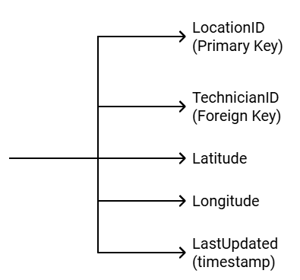

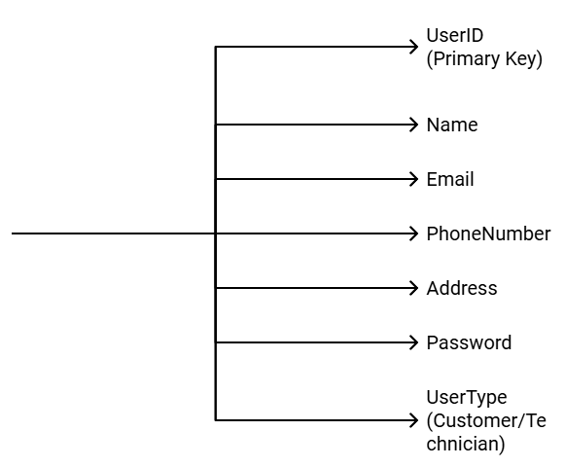
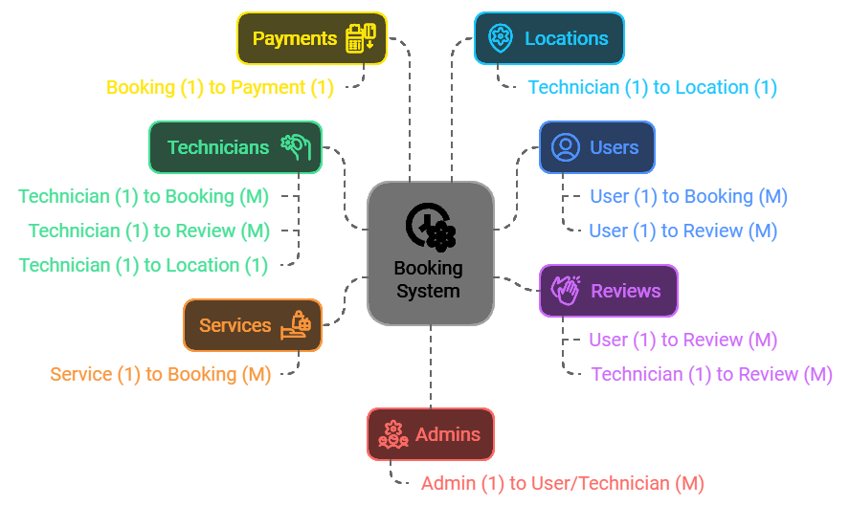


ReviewID (Primary Key)
UserID (Foreign Key)

TechnicianID (Foreign Key)

BookingID (Foreign Key)
Rating

Comment
ReviewDate

